Sheet1
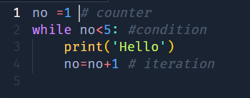

no | condition | Print | Iteration
1 | TRUE | Hello | 2
2 | TRUE | Hello | 3
3 | TRUE | Hello | 4
4 | TRUE | Hello | 5
5 | FALSE

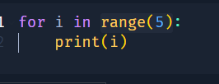
 |  |  |  |  | 0
 |  |  |  |  | 1
 |  |  |  |  | 2 | range(1,10,1)
 |  |  |  |  | 3
 |  |  |  |  | 4

 |  |  |  |  | a
 |  |  |  |  | b
 |  |  |  |  | c

 | 0

 |  |  |  | 1

Sheet5
i | j | print |  | i | j | print | i | j
0 | 0 | * | Row 1 | 0 | 0 |  | 5 | 0 | 5 | 0
0 | 1 | * | Row 2 | 1 | 0 |  |  | 1 |  | 1
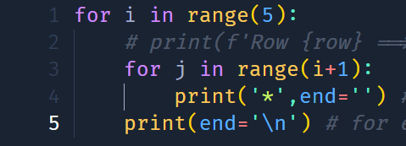
0 | 2 | * |  | 1 | 1 |  |  | 2 |  | 2
0 | 3 | * | Row 3 | 2 | 0 |  |  | 3 |  | 3
0 | 4 | * |  | 2 | 1 |  |  | 4 |  | 4
1 | 0 | * |  | 2 | 2 |  | 4 | 0 |  | 5
1 | 1 | * | Row 4 | 3 | 0 |  |  | 1
1 | 2 | * |  | 3 | 1 |  |  | 2
1 | 3 | * |  | 3 | 2 |  |  | 3
1 | 4 | * |  | 3 | 3 |  | 3 | 0
2 | 0 |  | Row 5 | 4 | 0 |  |  | 1
2 | 1 |  |  | 4 | 1 |  |  | 2
2 | 2 |  |  | 4 | 2 |  | 2 | 0
2 | 3 |  |  | 4 | 3 |  |  | 1
2 | 4 |  |  | 4 | 4 |  | 1 | 0

